Goal Seek 2
 | What if Analysis
What if Analysis is mainly used for Financial function of Excel

1. Calculate The EMI for the Given Details |  |  |  |  | Note :-
 |  |  |  |  | PMT Stands for {Per Month Transaction}
 |  |  |  |  | Simple intrest example

Loan Amount | 100000
Rate of Intrest | 10.50%
Payment / month | 36
PMT [EMI] |  | 100000 | 150000 | 200000
Using Data Table | 12
Note:-
It is showing in red color and bracket (it means, out flow of cash) money is going out from your pocket
 | 24
 | 36
 | 48
 | 60

Solution

Loan Amount | 100000 |  |  |  |  | Note
Rate of Intrest | 10.50% |  |  |  |  | Formula = PMT(rate of intrest per month), nper (No of Transaction per month),Principal Value(pv)
Payment / month | 36
PMT [EMI] | ($3,250.24) | 100000 | 150000 | 200000
Using Data Table | 12
 | 24
 | 36
 | 48
 | 60

Note:-
This information is telling you that you need to pay 3250.24 per month

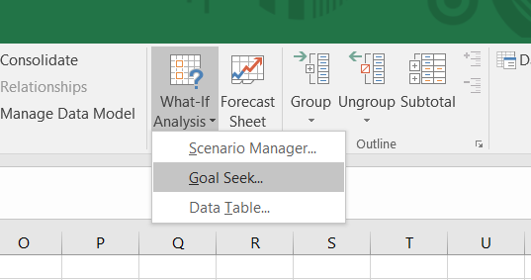

 |  |  |  |  |  |  | Procedure Needs to follow to use goal seek
Case 2 :- | If I pay $ 5000 every month, what Is the duration that the loan amount will get over
 |  |  |  |  |  |  | 1. Copy paste the above PMT information
Loan Amount | 100000 |  |  |  |  |  | 2. keep your cursor on PMT calculated cell
Rate of Intrest | 10.50% |  |  |  |  |  | 3. Go to data bar and select what-if Analysis in data ribbon
Payment / month | 22.081405471 |  |  |  |  |  | 4. Select Goal Seek
PMT [EMI] | ($5,000.00) | 100000 | 150000 | 200000 |  |  | 5. New Goal Seek window will open and set cell (PMT cell)
Using Data Table | 12 |  |  |  |  |  | 6. To Value = Amount your are paying ever month(EMI)
 | 24 |  |  |  |  |  | 7. By changing cell = duration that you want to calculate (month)
 | 36 |  |  |  |  |  | 8.. Finaly click on ok if you are satisfied with the calculation
 | 48
 | 60

Case 3:- | If I pay different amount for different duration what the Eligible loan amount
Note:-
If the Person is has taken 100000 loan amount for 12 month of duration, He must pay 8814.86 per month with 10.50% of intrest rate
Loan Amount | 100000
Rate of Intrest | 10.50%
Payment / month | 36
PMT [EMI] | ($3,250.24) | 100000 | 150000 | 200000
Using Data Table | 12 | -8814.8602894 | -13222.290434 | -17629.720579
 | 24 | -4637.6041639 | -6956.4062459 | -9275.2083279
 | 36 | -3250.2443505 | -4875.3665257 | -6500.4887009
 | 48 | -2560.3379752 | -3840.5069628 | -5120.6759504
 | 60 | -2149.3900378 | -3224.0850567 | -4298.7800756

